Application
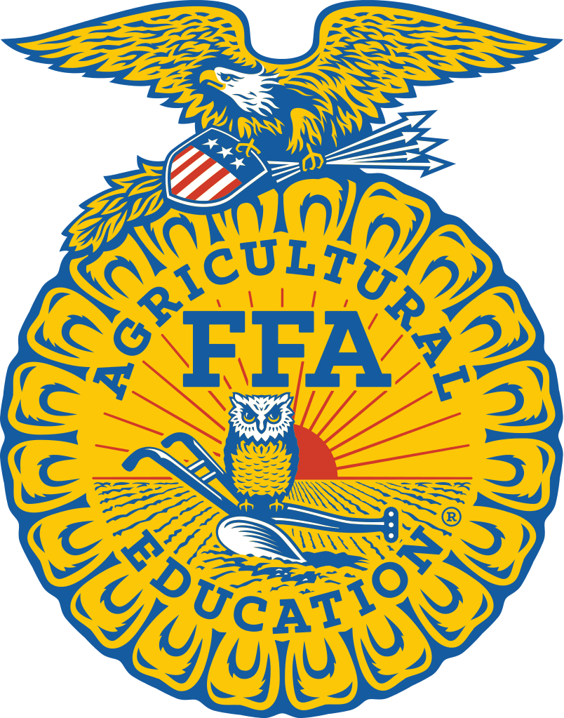
Alabama FFA Association

Mail to:
P.O. Box 302101 Montgomery, AL 36130-2
Phone: (334)-694-4746
Fax: (334)- 694-4954
Mail completed form to the Alabama FFA
Application due:
March 1st

 |  |  | Building our Alabama Communities (BOAC) Application

 |  |  |  |  |  |  |  | MISSING CHAPTER NUMBER
Chapter: |  |  |  |  |  |  |  | Chapter Number:

School Address:

City: |  |  |  | Zip Code: |  |  |  |  |  |  | Phone:

Principal: |  |  |  |  |  |  |  | Enrollment in High School:

Enrollment in Ag Ed: |  |  |  | FFA Membership: |  |  |  |  | Participants in BOMC: |  |  | BOAC:

Date Records Started: |  |  |  |  |  | Date Records Ended:

Community Service Project(s) - Name and give a brief description of the activities:
Place cursor at the end of this text, backspace to delete this text & then begin typing.

Mark the following items that are completed by the chapter. Completing twelve (12) of the seventeen (17)
requirements will qualify the chapter |  |  |  | for BOAC recogniton

 | 1. Organized chapter members participating in the community development project into a committee and then into
 |  | teams with assigned responsibility for tasks.
 | 2. Community development was taught as a part of your instructional program.
 | 3. Used the Community Development FFA Style references, audiovisuals or other BOMC materials. |  |  |  |  |  | , audiovisuals, or other BOAC materials.
 | 4. Studied the needs and resources of the community.
 | 5. Analyzed your community's boundaries (social, economic, political, etc.)
 | 6. Analyzed the importance of agriculture to community employment and development.
 | 7. Considered how the project would contribute to the long range development of your community.
 | 8. Selected project from several alternatives identified.
 | 9. Prepared and carried out a plan for obtaining needed resources.
 | 10. Prepared a detailed cost estimate for completing the project.
 | 11. Prepared and carried out a step-by-step action plan.
 | 12. Explored possible cooperative community development efforts with other groups.
 |  | (i.e. former FFA members, FFA alumni affiliates, civic and/or service clubs)
 | 13. Discussed community development needs, resources and activities with at least one local, state or federal agency.
 |  | (i.e. Cooperative Extension Service, Soil Conservation Service or state/local development agency.)
 | 14. Involved leading community and civic groups to participate in the planning and implementation of your project.
 | 15. Prepared and carried out a plan to use media in publicizing and promoting the project.
 | 16. Conducted a "how could we have done it better" evaluation after completing the project.
 | 17. Identified/recognized local leaders who provided outstanding service to the chapter in its BOAC project activities.

NOT ELIGIBLE

Certification
We hereby certify that all claims and information reported in the application on behalf of the chapter are true and accurate.

__________________________ |  |  |  | __________________________ |  |  |  |  |  | __________________________
(Chapter President) |  |  |  |  | (Chapter Advisor) |  |  |  |  | (Principal/Superintendent)

